Folha1
Micro-frontends | Views | Frontend Services
News |  | GetTrendingNews
 |  | GetSynopsis
 |  | ReadMore
 |  | GetFullNew
 | 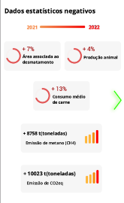 | GetNegativeStats
 |  | ChangeViewtoPositiveStats
 | 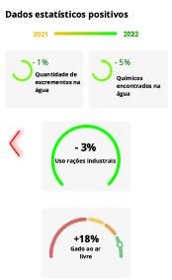 | GetPositiveStats
 |  | ChangeViewtoNegativeStats
QR Code |  | LauchQRReader
 |  | ReadQRCode
 |  | ShowProduct
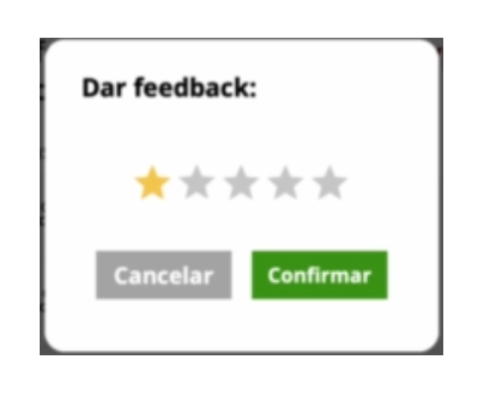 Market |  | LoadPhoto
 |  | GetMeatInfo
 |  | LaunchMeatDetails
 |  | LaunchFeedbackPage
 |  | LoadMeatDetails
 |  | ReadMore
 |  | LoadSavedProd
 |  | GetFeedback
 |  | SaveProduct
 |  | LoadProductInfo
 |  | LaunchRateProdPage
 |  | SubmitFeedback
 |  | ReturnToPreviousPage
 |  | GetAvailableCategories
 |  | GetSelectedMarket
 |  | LoadMap
Main Page |  | LoadAvailableMarkets
 |  | GetHighlights
User Info | 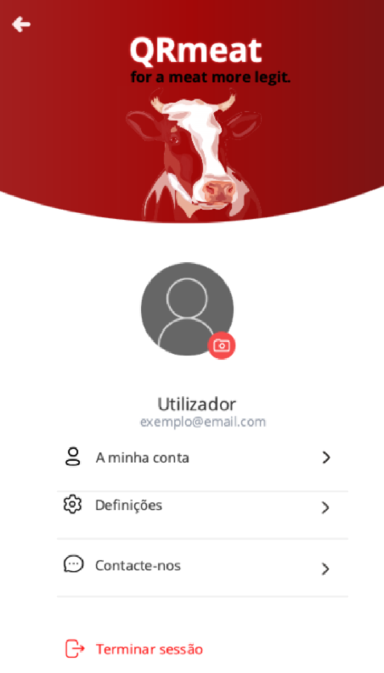 | LoadUsersInfo
 |  | GoToAccountDetails
 |  | GoToSettings
 |  | GoToContacts
 |  | LogOff

